InfoOnline
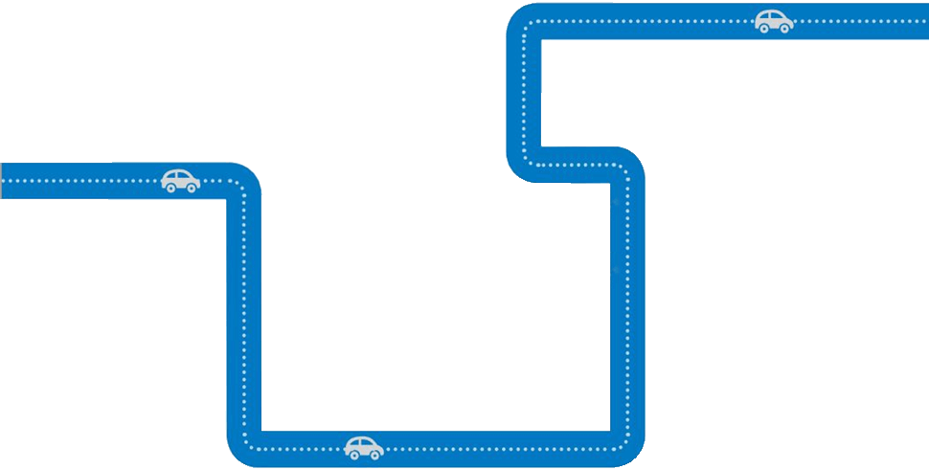
google | 81% | 19%
 | 53% | 47%
 | 1% | 9%
 | 77%
 | 23%
 | series1
 | 71%
 | 29%
 | series1
 | 33%
 | 67%
 | 70%
 | 30%
85%
65%
81%
of global online users are reached by Google Display Network
53%
of smartphone users on average made purchase as a result of a mobile search
We're approaching a point wehre 1 in every 10 dollars is spent online in the U.S.
1in10
77%
of smartphone users call or visit a business after looking for local info on their phones
71%
of smartphone users search because they saw an ad
33%
of smartphone users use their phone while watching TV
70%
of smartphonen users use their phone while shopping in-store
In 2010, total U.S. online ad revenue overtook newspaper print and revenue for the first time
More video is uploaded to YouTube every 60 days than the top three broadcasters have
produced in
60 years
of the US online population has watched a YouTube video; watch one video per week
Online video ads received
more viewer attention
than TV commercials
eBooks
are now
outselling
print books
Tick, Tock!
Adults spend hours
a week online
billion
Each day, billion people
are online, searching for
what they need
Users are exposed to an
average of Google
Display Network ads daily
Did you know...

77%
71%
33%

1.9

18

Hours
1.9

30



18.3%

18
30

 | 85%
 | 65%

85%
70%
65%

