AussieTax
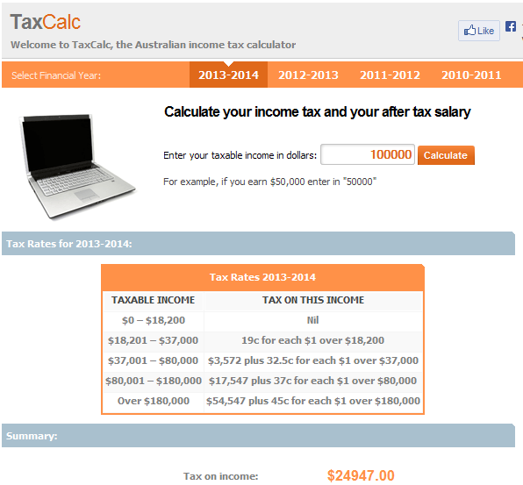
Calcuate Taxation on Salary

Taxation in Australia 2013/14 |  |  |  | Taxation in Australia 2020/21
Bands | $ Rate | % Rate | Variance | Bands | $ Rate | % Rate | Variance
0 - 18,200 | $18,200 | 0 | 19.0% | 0 – $18,200 | $18,200 | 0 | 19.0%
18,201 - 37,000 | $37,000 | 19% | 13.5% | $18,201 – $45,000 | $45,000 | 19% | 13.5%
37,001 - 80,000 | $80,000 | 32.50% | 4.5% | $45,001 – $120,000 | $120,000 | 32.50% | 4.5%
80,001 - 180,000 | $180,000 | 37% | 8.0% | $120,001 – $180,000 | $180,000 | 37% | 8.0%
180,001 + | $180,001 | 45% |  | $180,001 and over | $180,001 | 45%

Calc Type |  | Income | Tax | Calc Type |  | Income | Tax

Cell Reference |  | $100,000 | $24,947 | Cell Reference |  | $100,000 | $22,967

Hard Coded Tax Rates |  | $100,000 | $24,947

http://www.taxcalc.com.au/#results

Below Shows a Reconciliation with a Online Taxation Calculator

UKTax
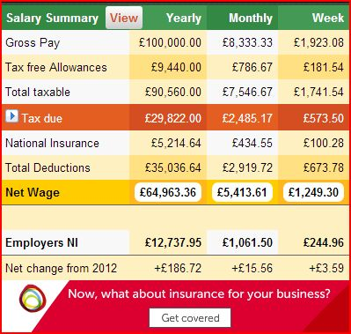
Calcuate Taxation on Salary

Taxation in the UK 2013/14 |  |  |  | Taxation in the UK 2020/21
Bands | $ Rate | % Rate | Variance | Bands | $ Rate | % Rate | Variance | Manual | Manual Calc
£1 - £9,440 | £9,440 | 0 | 20.0% | £1 - £12,500 | £12,500 | 0 | 20.0% |  | 0
£9,441 - £41,450 | £41,450 | 20% | 20.0% | £12,501 - £50,000 | £50,000 | 20% | 20.0% | £37,500 | $7,500.0
£41,451 - £150,000 | £150,000 | 40.00% | 5.0% | £50,001 - £150,000 | £150,000 | 40.00% | 5.0% | £100,000 | $40,000.0
£150,001 and over | £150,001 | 45% |  | £150,001 and over | £150,001 | 45%

Calc Type |  | Income | Tax | Calc Type |  | Income | Tax | Variance

Cell Reference |  | £100,000 | £29,822 | Cell Reference |  | £100,000 | £27,500 | £4

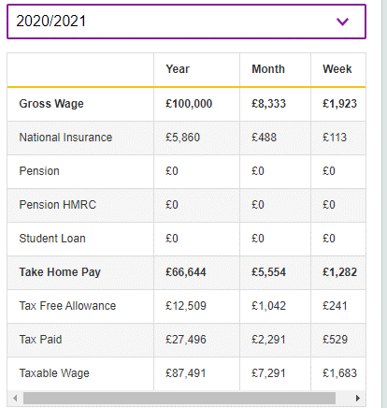
Hard Coded Tax Rates |  | £100,000 | £29,822

http://www.listentotaxman.com/index.php

Below Shows a Reconciliation with a Online Taxation Calculator
The Orange Line is the annual Tax Due

